Sheet1
 | i | Vi | Wi
 | 1 | 43 | 6
 | 2 | 35 | 5
 | 3 | 21 | 2
 | 4 | 17 | 1
 | 5 | 24 | 4
 | 6 | 49 | 3

 |  | 0 | 1 | 2 | 3 | 4 | 5 | 6 | 7 | 8 | 9
0 | {} | 0 | 0 | 0 | 0 | 0 | 0 | 0 | 0 | 0 | 0
1 | {1} | 0 | 0 | 0 | 0 | 0 | 0 | 43 | 43 | 43 | 43
2 | {1,2} | 0 | 0 | 0 | 0 | 0 | 35 | 43 | 43 | 43 | 43
3 | {1,2,3} | 0 | 0 | 21 | 21 | 21 | 35 | 43 | 56 | 64 | 64
4 | {1,2,3,4} | 0 | 17 | 21 | 38 | 38 | 38 | 52 | 60 | 73 | 81
5 | {1,2,3,4,5} | 0 | 17 | 21 | 38 | 38 | 41 | 52 | 62 | 73 | 81
6 | (1,2,3,4,5,6} | 0 | 17 | 21 | 49 | 66 | 70 | 87 | 87 | 90 | 101

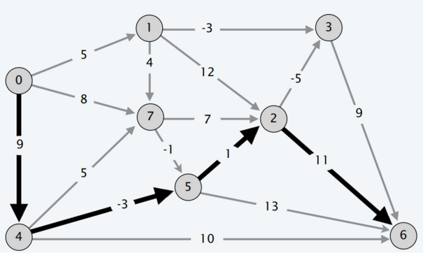

 |  |  |  |  |  |  |  | 0 | 1 | 2 | 3 | 4 | 5 | 6
 |  |  |  |  |  |  | (d[0],s[0]) | (M,NULL) |  | 19;4 | 11;1
 |  |  |  |  |  |  | (d[1],s[1]) | (M,N) |  | 23;2 | 6;3
 |  |  |  |  |  |  | (d[2],s[2]) | (M,N) | 11;6 | 4;3
 |  |  |  |  |  |  | (d[3],s[3]) | (M,N) | 9;6
 |  |  |  |  |  |  | (d[4],s[4]) | (M,N) | 10;6 |  | 9;5 | 2;5
 |  |  |  |  |  |  | (d[5],s[5]) | (M,N) | 13;6 | 12;2 | 5;2
 |  |  |  |  |  |  | (d[6],s[6]) | (0,N)
 |  |  |  |  |  |  | (d[7],s[7]) | (M,N) |  | 18;2 | 12;5 | 11;2 | 4;5

